Copper
 |  | T | C
 |  | deg K | W/kg/K
a | 2.3797
b | -0.4918 | 80 | 1.655
c | -0.98615 | 90 | 1.242
d | 0.13942 | 100 | 0.920
e | 0.30475 | 110 | 0.674
f | -0.019713 | 120 | 0.488
g | -0.046897
h | 0.0011969
i | 0.0029988

Copper Heat Capacity

G10 CR
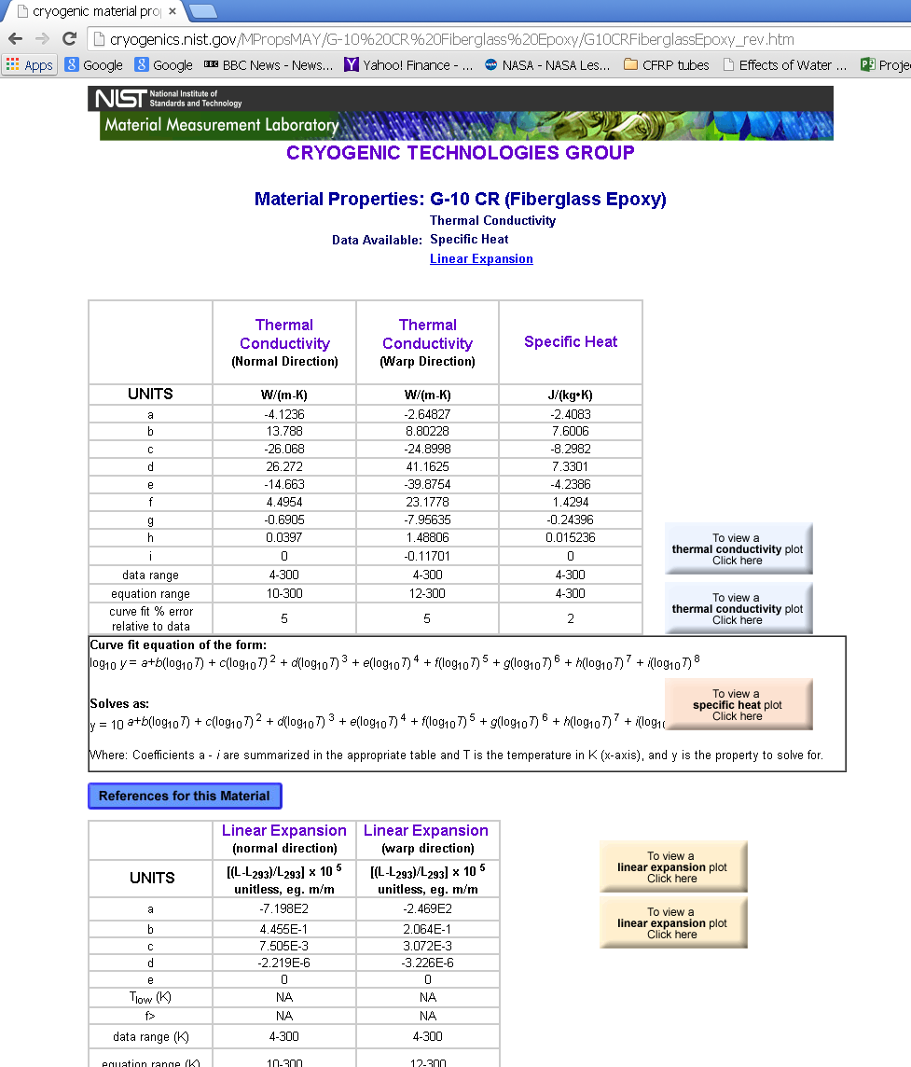
 |  |  | T | C
 |  |  | deg K | J/(kg*K)
a | -2.4083
b | 7.6006 |  | 80 | 249
c | -8.2982 |  | 90 | 283
d | 7.3301 |  | 100 | 317
e | -4.2386 |  | 110 | 351
f | 1.4294 |  | 120 | 385
g | -0.24396
h | 0.015236
i | 0

G10 CR Heat Capacity

 |  |  |  | Normal | Normal | Warp | Warp
 | Normal | Warp | T | K | K | K | K
 |  |  | deg K | W/m/K | W/mm/K | W/m/K | W/mm/K
a | -4.1236 | -2.64827
b | 13.788 | 8.80228 | 80 | 0.2840 | 0.00028397736865 | 0.3942 | 0.00039418326821
c | -26.068 | -24.8998 | 90 | 0.2970 | 0.00029695929561 | 0.4214 | 0.00042141688749
d | 26.272 | 41.1625 | 100 | 0.3096 | 0.00030959932133 | 0.4477 | 0.00044772361327
e | -14.663 | -39.8754 | 110 | 0.3221 | 0.00032213809042 | 0.4732 | 0.00047317149511
f | 4.4954 | 23.1778 | 120 | 0.3347 | 0.00033473368464 | 0.4978 | 0.00049782931164
g | -0.6905 | -7.95635
h | 0.0397 | 1.48806
i | 0 | -0.11701

